week1
Computer Science 2 Project | Team Members: | Zian Relon
Group Progress Report |  | Caiden Alava
3rd Quarter
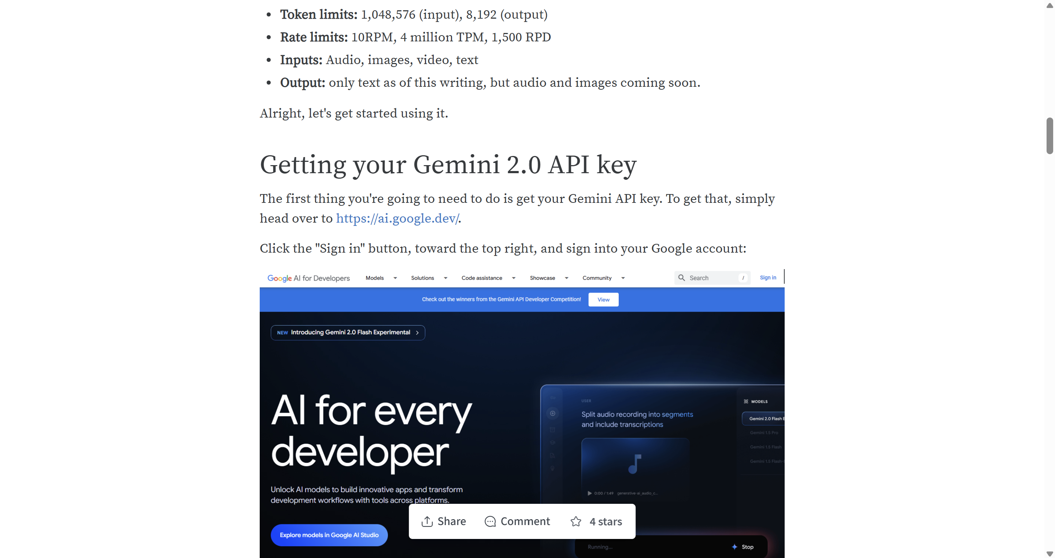
Davies, D. (2024, December 16). The Gemini 2.0 API in Python quickstart tutorial. Weights & Biases. https://wandb.ai/onlineinference/Gemini/reports/The-Gemini-2-0-API-in-Python-quickstart-tutorial--Vmlldzo2MjU3OTQz
Week 1 - Jan 16, 2026
GOAL State your goal for the Week | DATA COLLECTED State/list the data collected relevant to your project | PROGRESS State the progress you have made so far by the end of the week
Learn how to import ai |  | Leant how to import gemini and now
Learn how to use it |  | going to pay for it

STRENGTH
Decent Coding skills
Researching
Ability to work well with each other

AREAS FOR DEVELOPMENT
Coding skills

STRATEGY FOR SUCCESS
Practice coding
Time management
Communication
Research
Patience

